Sheet1
 |  | Document No. | Issue No. | Issue Date |  |  | Review and Replace Date |  | Authorised By
 |  | GFF507MC | 1 | 18.06.2025 |  |  | new issue
 |  | Document Title | Vegetable Tikka Masala With Pilau Rice 400g
 |  |  |  |  |  |  |  |  | Magda Shah
Document amendments reason for change |  | New Launch |  | Page 1 of 1 |  | Previous Issue Date |  | new issue | Uncontrolled copy unless signed original

FVTIR-R8TOA | Oakhouse |  | Vegetable Tikka Masala With Pilau Rice 400g
STEP 1 |  |  |  |  | STEP 2
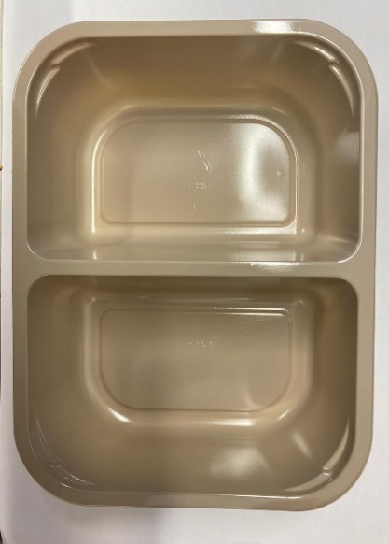 |  |  |  |  | 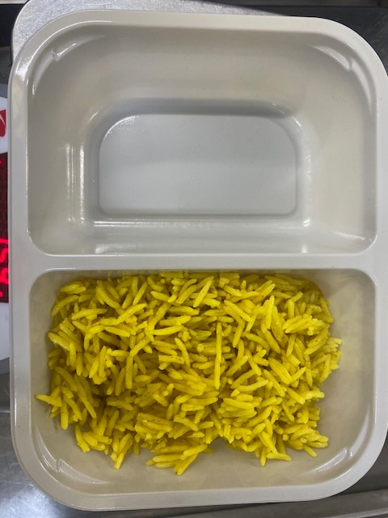

PACK DAY + 1 YEAR
NON-MAP PACK

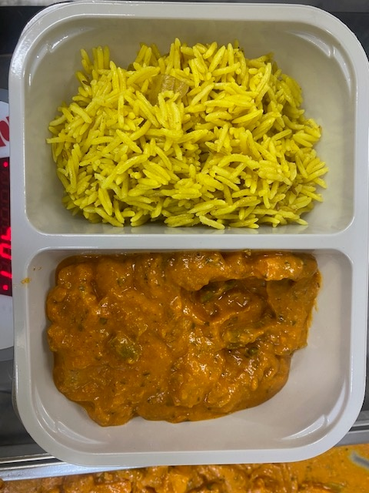
Tray: EVOLVE CPET 2200-2F(PKRHP001-10) |  |  |  |  | Special Pilau Rice -GFF520R: 150g
Film: K peel 7G+25A/f- 275mm (275 mmX1000)(PKKMP001-03)
STEP 3 |  |  |  |  | STEP 4

Vegetable Tikka Masala Sauce -GFF528R-250g |  |  |  |  | TOTAL WEIGHT: 400G
ALLERGY ALERT: MILK, BARLEY

